Sheet1
Contingent claims: Currency Hedge example

objective | 0

rhoT | 0.15 | 0.99 | 0.07

Payoffs (P)
yuan (y) | bond | call option |  | x | Px | Liability (b)
0.01 | 1 | 0 |  | 0 | 0 | 2
0.02 | 1 | 0 |  | 0 | 0 | 2
0.03 | 1 | 0 |  | 0 | 0 | 2
0.04 | 1 | 0 |  |  | 0 | 2
0.05 | 1 | 0 |  |  | 0 | 2
0.06 | 1 | 0 |  |  | 0 | 2
0.07 | 1 | 0 |  |  | 0 | 1.5
0.08 | 1 | 0 |  |  | 0 | 1
0.09 | 1 | 0 |  |  | 0 | 0.5
0.1 | 1 | 0 |  |  | 0 | 0
0.11 | 1 | 0.01 |  |  | 0 | -0.5
0.12 | 1 | 0.02 |  |  | 0 | -1
0.13 | 1 | 0.03 |  |  | 0 | -1.5
0.14 | 1 | 0.04 |  |  | 0 | -2
0.15 | 1 | 0.05 |  |  | 0 | -2.5
0.16 | 1 | 0.06 |  |  | 0 | -3
0.17 | 1 | 0.07 |  |  | 0 | -3.5
0.18 | 1 | 0.08 |  |  | 0 | -4
0.19 | 1 | 0.09 |  |  | 0 | -4.5
0.2 | 1 | 0.1 |  |  | 0 | -5
0.21 | 1 | 0.11 |  |  | 0 | -5.7
0.22 | 1 | 0.12 |  |  | 0 | -6.4
0.23 | 1 | 0.13 |  |  | 0 | -7.1
0.24 | 1 | 0.14 |  |  | 0 | -7.8
0.25 | 1 | 0.15 |  |  | 0 | -8.5
0.26 | 1 | 0.16 |  |  | 0 | -9.2
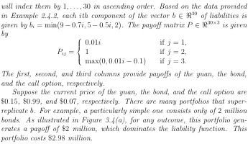
0.27 | 1 | 0.17 |  |  | 0 | -9.9
0.28 | 1 | 0.18 |  |  | 0 | -10.6
0.29 | 1 | 0.19 |  |  | 0 | -11.3
0.3 | 1 | 0.2 |  |  | 0 | -12

